Template
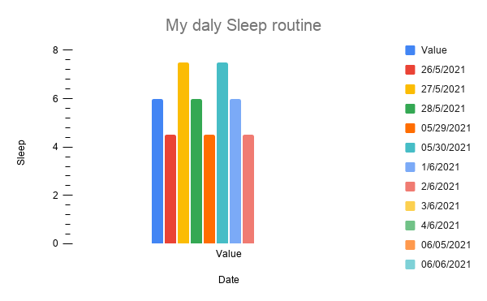
Date | Value | Add your data to cells with this color!
2021-05-25 | 6
2021-05-26 | 4.5
2021-05-27 | 7.5
2021-05-28 | 6
05/29/2021 | 4.5
05/30/2021 | 7.5
2021-06-01 | 6
2021-06-02 | 4.5
2021-06-03 | 7.5
2021-06-04 | 6
06/05/2021 | 4.5
06/06/2021 | 7.5

